Ex2
S = (A * C) + (B + D) + (E * F)
32 | 16 | 8 | 4 | 2 | 1
A | C | B | D | E | F | S1 | S2 | S3 | S
0 | 0 | 0 | 0 | 0 | 0 | 0 | 0 | 0 | 0
0 | 0 | 0 | 0 | 0 | 1 | 0 | 0 | 0 | 0
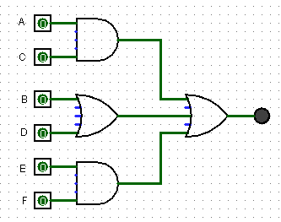
0 | 0 | 0 | 0 | 1 | 0 | 0 | 0 | 0 | 0
0 | 0 | 0 | 0 | 1 | 1 | 0 | 0 | 1 | 1
0 | 0 | 0 | 1 | 0 | 0 | 0 | 1 | 0 | 1
0 | 0 | 0 | 1 | 0 | 1 | 0 | 1 | 0 | 1
0 | 0 | 0 | 1 | 1 | 0 | 0 | 1 | 0 | 1
0 | 0 | 0 | 1 | 1 | 1 | 0 | 1 | 1 | 1
0 | 0 | 1 | 0 | 0 | 0 | 0 | 1 | 0 | 1
0 | 0 | 1 | 0 | 0 | 1 | 0 | 1 | 0 | 1
0 | 0 | 1 | 0 | 1 | 0 | 0 | 1 | 0 | 1
0 | 0 | 1 | 0 | 1 | 1 | 0 | 1 | 1 | 1
0 | 0 | 1 | 1 | 0 | 0 | 0 | 1 | 0 | 1
0 | 0 | 1 | 1 | 0 | 1 | 0 | 1 | 0 | 1
0 | 0 | 1 | 1 | 1 | 0 | 0 | 1 | 0 | 1
0 | 0 | 1 | 1 | 1 | 1 | 0 | 1 | 1 | 1
0 | 1 | 0 | 0 | 0 | 0 | 0 | 0 | 0 | 0
0 | 1 | 0 | 0 | 0 | 1 | 0 | 0 | 0 | 0
0 | 1 | 0 | 0 | 1 | 0 | 0 | 0 | 0 | 0
0 | 1 | 0 | 0 | 1 | 1 | 0 | 0 | 1 | 1
0 | 1 | 0 | 1 | 0 | 0 | 0 | 1 | 0 | 1
0 | 1 | 0 | 1 | 0 | 1 | 0 | 1 | 0 | 1
0 | 1 | 0 | 1 | 1 | 0 | 0 | 1 | 0 | 1
0 | 1 | 0 | 1 | 1 | 1 | 0 | 1 | 1 | 1
0 | 1 | 1 | 0 | 0 | 0 | 0 | 1 | 0 | 1
0 | 1 | 1 | 0 | 0 | 1 | 0 | 1 | 0 | 1
0 | 1 | 1 | 0 | 1 | 0 | 0 | 1 | 0 | 1
0 | 1 | 1 | 0 | 1 | 1 | 0 | 1 | 1 | 1
0 | 1 | 1 | 1 | 0 | 0 | 0 | 1 | 0 | 1
0 | 1 | 1 | 1 | 0 | 1 | 0 | 1 | 0 | 1
0 | 1 | 1 | 1 | 1 | 0 | 0 | 1 | 0 | 1
0 | 1 | 1 | 1 | 1 | 1 | 0 | 1 | 1 | 1
1 | 0 | 0 | 0 | 0 | 0 | 0 | 0 | 0 | 0
1 | 0 | 0 | 0 | 0 | 1 | 0 | 0 | 0 | 0
1 | 0 | 0 | 0 | 1 | 0 | 0 | 0 | 0 | 0
1 | 0 | 0 | 0 | 1 | 1 | 0 | 0 | 1 | 1
1 | 0 | 0 | 1 | 0 | 0 | 0 | 1 | 0 | 1
1 | 0 | 0 | 1 | 0 | 1 | 0 | 1 | 0 | 1
1 | 0 | 0 | 1 | 1 | 0 | 0 | 1 | 0 | 1
1 | 0 | 0 | 1 | 1 | 1 | 0 | 1 | 1 | 1
1 | 0 | 1 | 0 | 0 | 0 | 0 | 1 | 0 | 1
1 | 0 | 1 | 0 | 0 | 1 | 0 | 1 | 0 | 1
1 | 0 | 1 | 0 | 1 | 0 | 0 | 1 | 0 | 1
1 | 0 | 1 | 0 | 1 | 1 | 0 | 1 | 1 | 1
1 | 0 | 1 | 1 | 0 | 0 | 0 | 1 | 0 | 1
1 | 0 | 1 | 1 | 0 | 1 | 0 | 1 | 0 | 1
1 | 0 | 1 | 1 | 1 | 0 | 0 | 1 | 0 | 1
1 | 0 | 1 | 1 | 1 | 1 | 0 | 1 | 1 | 1
1 | 1 | 0 | 0 | 0 | 0 | 1 | 0 | 0 | 1
1 | 1 | 0 | 0 | 0 | 1 | 1 | 0 | 0 | 1
1 | 1 | 0 | 0 | 1 | 0 | 1 | 0 | 0 | 1
1 | 1 | 0 | 0 | 1 | 1 | 1 | 0 | 1 | 1
1 | 1 | 0 | 1 | 0 | 0 | 1 | 1 | 0 | 1
1 | 1 | 0 | 1 | 0 | 1 | 1 | 1 | 0 | 1
1 | 1 | 0 | 1 | 1 | 0 | 1 | 1 | 0 | 1
1 | 1 | 0 | 1 | 1 | 1 | 1 | 1 | 1 | 1
1 | 1 | 1 | 0 | 0 | 0 | 1 | 1 | 0 | 1
1 | 1 | 1 | 0 | 0 | 1 | 1 | 1 | 0 | 1
1 | 1 | 1 | 0 | 1 | 0 | 1 | 1 | 0 | 1
1 | 1 | 1 | 0 | 1 | 1 | 1 | 1 | 1 | 1
1 | 1 | 1 | 1 | 0 | 0 | 1 | 1 | 0 | 1
1 | 1 | 1 | 1 | 0 | 1 | 1 | 1 | 0 | 1
1 | 1 | 1 | 1 | 1 | 0 | 1 | 1 | 0 | 1
1 | 1 | 1 | 1 | 1 | 1 | 1 | 1 | 1 | 1

Ex3
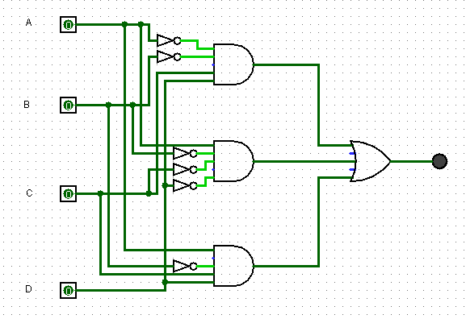
S = (!A * !B * C * D) + (A * !B * !C * !D)+(A * !B * C * D)
8 | 4 | 2 | 1
A | B | C | D | S
0 | 0 | 0 | 0 | 0
0 | 0 | 0 | 1 | 0
0 | 0 | 1 | 0 | 0
0 | 0 | 1 | 1 | 1
0 | 1 | 0 | 0 | 0
0 | 1 | 0 | 1 | 0
0 | 1 | 1 | 0 | 0
0 | 1 | 1 | 1 | 0
1 | 0 | 0 | 0 | 1
1 | 0 | 0 | 1 | 0
1 | 0 | 1 | 0 | 0
1 | 0 | 1 | 1 | 1
1 | 1 | 0 | 0 | 0
1 | 1 | 0 | 1 | 0
1 | 1 | 1 | 0 | 0
1 | 1 | 1 | 1 | 0

Ex5
S = A * (B + D) + (E * F) + C
32 | 16 | 8 | 4 | 2 | 1
A | B | D | E | F | C | S1 | S2 | S3 | S
0 | 0 | 0 | 0 | 0 | 0 | 0 | 0 | 0 | 0
0 | 0 | 0 | 0 | 0 | 1 | 0 | 0 | 0 | 1
0 | 0 | 0 | 0 | 1 | 0 | 0 | 0 | 0 | 0
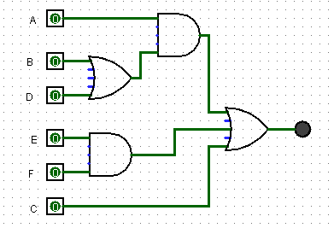
0 | 0 | 0 | 0 | 1 | 1 | 0 | 0 | 0 | 1
0 | 0 | 0 | 1 | 0 | 0 | 0 | 0 | 0 | 0
0 | 0 | 0 | 1 | 0 | 1 | 0 | 0 | 0 | 1
0 | 0 | 0 | 1 | 1 | 0 | 0 | 0 | 1 | 1
0 | 0 | 0 | 1 | 1 | 1 | 0 | 0 | 1 | 1
0 | 0 | 1 | 0 | 0 | 0 | 1 | 0 | 0 | 0
0 | 0 | 1 | 0 | 0 | 1 | 1 | 0 | 0 | 1
0 | 0 | 1 | 0 | 1 | 0 | 1 | 0 | 0 | 0
0 | 0 | 1 | 0 | 1 | 1 | 1 | 0 | 0 | 1
0 | 0 | 1 | 1 | 0 | 0 | 1 | 0 | 0 | 0
0 | 0 | 1 | 1 | 0 | 1 | 1 | 0 | 0 | 1
0 | 0 | 1 | 1 | 1 | 0 | 1 | 0 | 1 | 1
0 | 0 | 1 | 1 | 1 | 1 | 1 | 0 | 1 | 1
0 | 1 | 0 | 0 | 0 | 0 | 1 | 0 | 0 | 0
0 | 1 | 0 | 0 | 0 | 1 | 1 | 0 | 0 | 1
0 | 1 | 0 | 0 | 1 | 0 | 1 | 0 | 0 | 0
0 | 1 | 0 | 0 | 1 | 1 | 1 | 0 | 0 | 1
0 | 1 | 0 | 1 | 0 | 0 | 1 | 0 | 0 | 0
0 | 1 | 0 | 1 | 0 | 1 | 1 | 0 | 0 | 1
0 | 1 | 0 | 1 | 1 | 0 | 1 | 0 | 1 | 1
0 | 1 | 0 | 1 | 1 | 1 | 1 | 0 | 1 | 1
0 | 1 | 1 | 0 | 0 | 0 | 1 | 0 | 0 | 0
0 | 1 | 1 | 0 | 0 | 1 | 1 | 0 | 0 | 1
0 | 1 | 1 | 0 | 1 | 0 | 1 | 0 | 0 | 0
0 | 1 | 1 | 0 | 1 | 1 | 1 | 0 | 0 | 1
0 | 1 | 1 | 1 | 0 | 0 | 1 | 0 | 0 | 0
0 | 1 | 1 | 1 | 0 | 1 | 1 | 0 | 0 | 1
0 | 1 | 1 | 1 | 1 | 0 | 1 | 0 | 1 | 1
0 | 1 | 1 | 1 | 1 | 1 | 1 | 0 | 1 | 1
1 | 0 | 0 | 0 | 0 | 0 | 0 | 0 | 0 | 0
1 | 0 | 0 | 0 | 0 | 1 | 0 | 0 | 0 | 1
1 | 0 | 0 | 0 | 1 | 0 | 0 | 0 | 0 | 0
1 | 0 | 0 | 0 | 1 | 1 | 0 | 0 | 0 | 1
1 | 0 | 0 | 1 | 0 | 0 | 0 | 0 | 0 | 0
1 | 0 | 0 | 1 | 0 | 1 | 0 | 0 | 0 | 1
1 | 0 | 0 | 1 | 1 | 0 | 0 | 0 | 1 | 1
1 | 0 | 0 | 1 | 1 | 1 | 0 | 0 | 1 | 1
1 | 0 | 1 | 0 | 0 | 0 | 1 | 1 | 0 | 1
1 | 0 | 1 | 0 | 0 | 1 | 1 | 1 | 0 | 1
1 | 0 | 1 | 0 | 1 | 0 | 1 | 1 | 0 | 1
1 | 0 | 1 | 0 | 1 | 1 | 1 | 1 | 0 | 1
1 | 0 | 1 | 1 | 0 | 0 | 1 | 1 | 0 | 1
1 | 0 | 1 | 1 | 0 | 1 | 1 | 1 | 0 | 1
1 | 0 | 1 | 1 | 1 | 0 | 1 | 1 | 1 | 1
1 | 0 | 1 | 1 | 1 | 1 | 1 | 1 | 1 | 1
1 | 1 | 0 | 0 | 0 | 0 | 1 | 1 | 0 | 1
1 | 1 | 0 | 0 | 0 | 1 | 1 | 1 | 0 | 1
1 | 1 | 0 | 0 | 1 | 0 | 1 | 1 | 0 | 1
1 | 1 | 0 | 0 | 1 | 1 | 1 | 1 | 0 | 1
1 | 1 | 0 | 1 | 0 | 0 | 1 | 1 | 0 | 1
1 | 1 | 0 | 1 | 0 | 1 | 1 | 1 | 0 | 1
1 | 1 | 0 | 1 | 1 | 0 | 1 | 1 | 1 | 1
1 | 1 | 0 | 1 | 1 | 1 | 1 | 1 | 1 | 1
1 | 1 | 1 | 0 | 0 | 0 | 1 | 1 | 0 | 1
1 | 1 | 1 | 0 | 0 | 1 | 1 | 1 | 0 | 1
1 | 1 | 1 | 0 | 1 | 0 | 1 | 1 | 0 | 1
1 | 1 | 1 | 0 | 1 | 1 | 1 | 1 | 0 | 1
1 | 1 | 1 | 1 | 0 | 0 | 1 | 1 | 0 | 1
1 | 1 | 1 | 1 | 0 | 1 | 1 | 1 | 0 | 1
1 | 1 | 1 | 1 | 1 | 0 | 1 | 1 | 1 | 1
1 | 1 | 1 | 1 | 1 | 1 | 1 | 1 | 1 | 1

Ex6
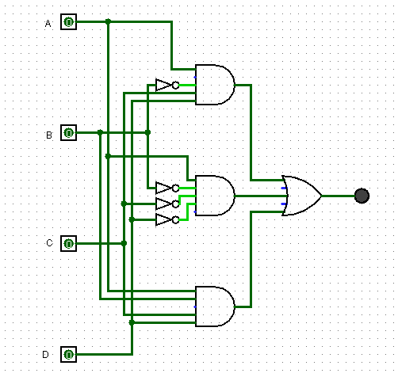
S = (!A * !B * C * D) + (A * !B * !C * !D) + (A * B * C * D)
8 | 4 | 2 | 1
A | B | C | D | S
0 | 0 | 0 | 0 | 0
0 | 0 | 0 | 1 | 1
0 | 0 | 1 | 0 | 0
0 | 0 | 1 | 1 | 0
0 | 1 | 0 | 0 | 0
0 | 1 | 0 | 1 | 0
0 | 1 | 1 | 0 | 0
0 | 1 | 1 | 1 | 0
1 | 0 | 0 | 0 | 1
1 | 0 | 0 | 1 | 0
1 | 0 | 1 | 0 | 0
1 | 0 | 1 | 1 | 0
1 | 1 | 0 | 0 | 0
1 | 1 | 0 | 1 | 0
1 | 1 | 1 | 0 | 0
1 | 1 | 1 | 1 | 1

